Exec_time
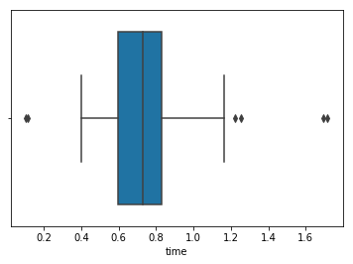
Evaluate execution time required by script on a higher volume

approach | Let the script run until 100 products have been extracted
results: | 1360 product scanned, 1260 skipped (OCR Json not found), 100 extracted nutriment
 | total process time: 584 sec (app 10 minutes)

 | Processing time of each 100 found product: majority between .4 and 1.2 second
 | Average: .7 sec
 | 75% processed under 0.85 sec

